Age group attrition
Count of Attrition | Column Labels
Row Labels | Yes | Grand Total
58-67 | 5 | 5
48-57 | 22 | 22
38-47 | 38 | 38
18-27 | 59 | 59
28-37 | 113 | 113
Grand Total | 237 | 237

VISUALISATION
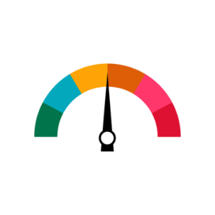
HR ANALYTICS DASHBOARD
JOB SATISFACTION RATING
Total Employee
Attrition
Active Employees
Attrition rate
Average Age
Total Employee by Gender
Education wise Attriion
Attrition by job role
Department wise Attrion
Attrition by age croup
Attrition by Marital status
Filter Pannel
2.73

237
1233
16%
37
1470

 | Yes
Human Resources | 7
Life Sciences | 89
Marketing | 35
Medical | 63
Other | 11
Technical Degree | 32



882
588

 | Attrition
Human Resources | 12
Research & Development | 133
Sales | 92
 | Yes
58-67 | 5
48-57 | 22
38-47 | 38
18-27 | 59
28-37 | 113
 | Attrition
Divorced | 33
Married | 84
Single | 120

